Sheet1
 |  |  | SIMPLE IPR CURVE FOR UNDERSATURATED RESERVOIR

Avg. Pr | 1300 | psi
(Pwf)stablized | 900 | psi
(Qo)stablized | 110 | STB/day

Productivity index |  | 0.275 | STB/day-psi
AOF |  | 357.5 | STB/day

data values for plotting IPR curve

IPR curve
Pwf | Qo
1300 | 0
1170 | 35.75
1040 | 71.5
910 | 107.25
780 | 143
650 | 178.75
520 | 214.5
390 | 250.25
260 | 286
130 | 321.75
0 | 357.5

Sheet2
 |  |  |  |  | Vogel’s Method

Saturated oil reservoirs (pr ≤ pb) |  |  |  |  |  | Undersaturated oil reservoirs (pr > pb) |  |  | Undersaturated oil reservoirs (pr > pb)
Avg. Pr | 2500 | psi |  |  |  | Avg. Pr | 3000 | psi | Avg. Pr | 3000 | psi
(Pwf)stablized | 2000 | psi |  |  |  | (Pwf)stablized | 2500 | psi | (Pwf)stablized | 1700 | psi
(Qo)stablized | 350 | STB/day |  |  |  | (Qo)stablized | 250 | STB/day | (Qo)stablized | 630.7 | STB/day
 |  |  |  |  |  | Pb | 2130 | psi | Pb | 2130 | psi

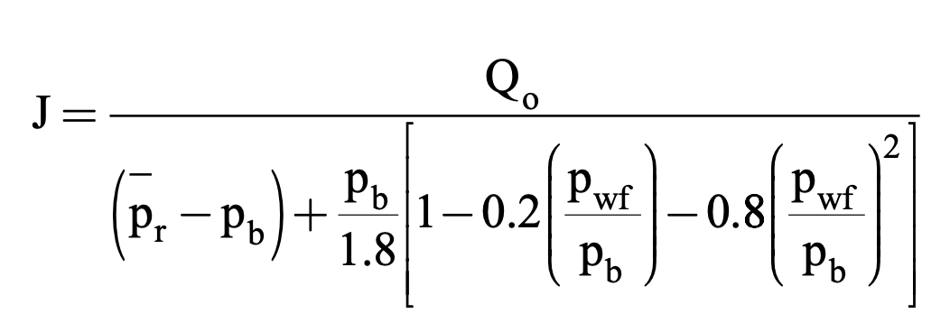
data for plotting IPR curve |  |  |  |  |  | CASE 1: |  |  | CASE 2:
 |  |  |  |  |  | The recorded stabilized bottom-hole flowing pressure is greater than or equal to the bubble-point pressure, i.e. pwf ≥ pb |  |  | The recorded stabilized bottom-hole flowing pressure is less than the bubble-point pressure pwf < pb
 | vogel's | constant J approach
Pwf | Qo | Qo |  |  |  | J | 0.5 | STB/day-psi | J | 0.49999251491 | STB/day-psi
2500 | 0 | 0 |  |  |  | Qob | 435 | STB/day | Qob | 434.99348797 | STB/day
2250 | 183.53658537 | 175 |  |  |  | (Qmax)vogel | 591.66666667 | STB/day | (Qmax)vogel | 591.65780931 | STB/day
2000 | 350 | 350
1750 | 499.3902439 | 525 |  |  |  | Pwf | Qo |  | Pwf | Qo
1500 | 631.70731707 | 700 | J | 0.7 | STB/day-psi | 3000 | 0 |  | 3000 | 0
1250 | 746.95121951 | 875 | (Qo)max | 1067.0731707 | STB/day | 2826 | 87 |  | 2826 | 86.998697594
1000 | 845.12195122 | 1050 |  |  |  | 2652 | 174 |  | 2652 | 173.99739519
750 | 926.2195122 | 1225 |  |  |  | 2478 | 261 |  | 2478 | 260.99609278
500 | 990.24390244 | 1400 |  |  |  | 2304 | 348 |  | 2304 | 347.99479038
250 | 1037.195122 | 1575 |  |  |  | 2130 | 435 |  | 2130 | 434.99348797
0 | 1067.0731707 | 1750 |  |  |  | 1917 | 536.76666667 |  | 1917 | 536.75863117
 |  |  |  |  |  | 1704 | 629.06666667 |  | 1704 | 629.05724942
 |  |  |  |  |  | 1491 | 711.9 |  | 1491 | 711.88934273
IPR curve
 |  |  |  |  |  | 1278 | 785.26666667 |  | 1278 | 785.25491108
 |  |  |  |  |  | 1065 | 849.16666667 |  | 1065 | 849.15395449
 |  |  |  |  |  | 852 | 903.6 |  | 852 | 903.58647294
 |  |  |  |  |  | 639 | 948.56666667 |  | 639 | 948.55246645
 |  |  |  |  |  | 426 | 984.06666667 |  | 426 | 984.05193501
 |  |  |  |  |  | 213 | 1010.1 |  | 213 | 1010.0848786
 |  |  |  |  |  | 0 | 1026.6666667 |  | 0 | 1026.6512973

IPR curve
IPR curve

 |  |  |  |  | VOGEL'S FUTURE IPR PREDICTION

Saturated oil reservoirs (pr ≤ pb) |  |  |  |  |  | Undersaturated oil reservoirs (pr > pb) |  |  | Undersaturated oil reservoirs (pr > pb)
Avg. Pr | 2500 | psi |  |  |  | Avg. Pr | 3000 | psi | Avg. Pr | 3000 | psi
(Pwf)stablized | 2000 | psi |  |  |  | (Pwf)stablized | 2500 | psi | (Pwf)stablized | 1700 | psi
(Qo)stablized | 350 | STB/day |  |  |  | (Qo)stablized | 250 | STB/day | (Qo)stablized | 630.7 | STB/day
Future Avg. Pr | 2200 | psi |  |  |  | Pb | 2130 | psi | Pb | 2130 | psi
 |  |  |  |  |  | Future Avg. Pr | 2600 | psi | Future Avg. Pr | 2600 | psi

(Qomax)f | 848.87804878 | STB/day |  |  |  | (J)p | 0.5 | STB/day-psi | (J)p | 0.49999251491 | STB/day-psi
 |  |  |  |  |  | (J)f | 0.37555555556 | STB/day-psi | (J)f | 0.37554993342 | STB/day-psi
Pwf | (Qo)f
2200 | 0
1980 | 146.00702439 |  |  |  |  | Pwf | (Qo)f |  | Pwf | (Qo)f
1760 | 278.432 |  |  |  |  | 2600 | 0 |  | 2600 | 0
1540 | 397.27492683 |  |  |  |  | 2506 | 35.302222222 |  | 2506 | 35.301693741
1320 | 502.53580488 |  |  |  |  | 2412 | 70.604444444 |  | 2412 | 70.603387483
1100 | 594.21463415 |  |  |  |  | 2318 | 105.90666667 |  | 2318 | 105.90508122
880 | 672.31141463 |  |  |  |  | 2224 | 141.20888889 |  | 2224 | 141.20677497
660 | 736.82614634 |  |  |  |  | 2130 | 176.51111111 |  | 2130 | 176.50846871
440 | 787.75882927 |  |  |  |  | 1917 | 252.94918519 |  | 1917 | 252.94539849
220 | 825.10946341 |  |  |  |  | 1704 | 322.27674074 |  | 1704 | 322.2719162
0 | 848.87804878 |  |  |  |  | 1491 | 384.49377778 |  | 1491 | 384.48802184
 |  |  |  |  |  | 1278 | 439.6002963 |  | 1278 | 439.5937154
Future IPR curve
 |  |  |  |  |  | 1065 | 487.5962963 |  | 1065 | 487.58899689
 |  |  |  |  |  | 852 | 528.48177778 |  | 852 | 528.47386631
 |  |  |  |  |  | 639 | 562.25674074 |  | 639 | 562.24832365
 |  |  |  |  |  | 426 | 588.92118519 |  | 426 | 588.91236893
 |  |  |  |  |  | 213 | 608.47511111 |  | 213 | 608.46600213
 |  |  |  |  |  | 0 | 620.91851852 |  | 0 | 620.90922325

Future IPR curve
Future IPR curve

Sheet3
 |  |  |  |  | IPR CURVE USING FETKOVITCH MODEL
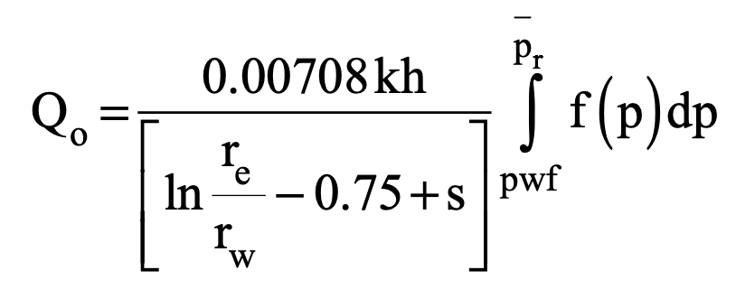

 |  |  |  |  |  |  |  |  |  | h | 20 | in
 |  |  |  |  |  |  |  |  |  | rw | 0.3 | in
Saturated oil reservoirs (pr ≤ pb) |  |  |  |  |  |  | Undersaturated oil reservoirs (pr > pb) |  |  | re | 660 | in |  | Undersaturated oil reservoirs (pr > pb)
Avg. Pr | 3600 | psi |  |  |  |  | Avg. Pr | 3000 | psi | uo at 2600psi | 2.4 | cp |  | Avg. Pr | 4000 | psi
 |  |  |  |  |  |  | (Pwf)stablized | 2200 | psi | Bo at 2600psi | 1.4 | bbl/STB |  | (Pwf)stablized | 3000 | psi
Qo, STB/day | pwf, psi | (Pr^2 - Pwf^2) |  |  |  |  | (Qo)stablized | 280 | STB/day | S | -0.5 | --- | value of uo and Bo is measured at (Pr+Pwf)/2 | (Qo)stablized | 700 | STB/day
263 | 3170 | 2911100 |  |  |  |  | Pb | 1500 | psi | K | 65 | md |  | Pb | 3200 | psi
383 | 2890 | 4607900
497 | 2440 | 7006400
640 | 2150 | 8337500 |  |  |  |  | CASE 1: |  |  |  |  |  |  | CASE 2:
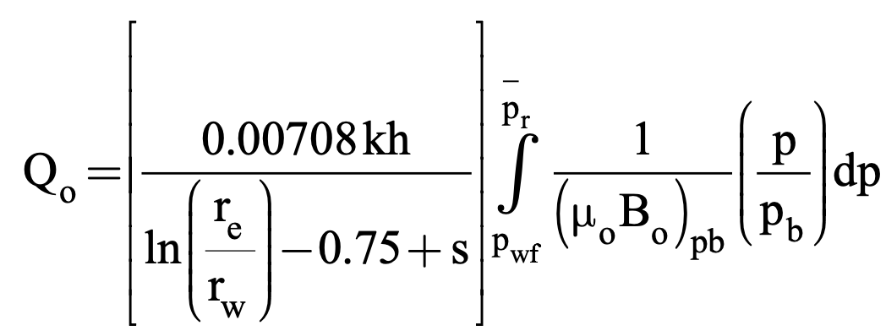
 |  |  |  |  |  |  | The recorded stabilized bottom-hole flowing pressure is greater than or equal to the bubble-point pressure, i.e. pwf ≥ pb |  |  |  |  |  |  | The recorded stabilized bottom-hole flowing pressure is less than the bubble-point pressure pwf < pb

log(Qo) | log(Pr^2 - Pwf^2) |  |  |  |  |  | J | 0.42494498205 | STB/day-psi |  |  |  |  | J | 0.7 | STB/day-psi
2.42 | 6.46 |  |  |  | slope | 1.2264304
2.58 | 6.66 |  |  |  | intercept | 3.5023980
2.70 | 6.85 |  |  |  | n | 0.8153744
2.81 | 6.92 |  |  |  | C | 0.0013939 | Pwf | Qo |  |  |  |  |  | Pwf | Qo
 |  |  |  |  |  |  | 3000 | 0.00 |  |  |  |  |  | 4000 | 0
 |  |  |  |  |  |  | 2700 | 127.48 |  |  |  |  |  | 3840 | 112
 |  |  |  |  |  |  | 2400 | 254.97 |  |  |  |  |  | 3680 | 224
 |  |  |  |  |  |  | 2100 | 382.45 |  |  |  |  |  | 3520 | 336
 |  |  |  |  |  |  | 1800 | 509.93 |  |  |  |  |  | 3360 | 448
 |  |  |  |  |  |  | 1500 | 637.42 |  |  |  |  |  | 3200 | 560
 |  |  |  |  |  |  | 1350 | 697.97 |  |  |  |  |  | 2880 | 772.8
 |  |  |  |  |  |  | 1200 | 752.15 |  |  |  |  |  | 2560 | 963.2
 |  |  |  |  |  |  | 1050 | 799.96 |  |  |  |  |  | 2240 | 1131.2
 |  |  |  |  |  |  | 900 | 841.39 |  |  |  |  |  | 1920 | 1276.8
 |  |  |  |  |  |  | 750 | 876.45 |  |  |  |  |  | 1600 | 1400
 |  |  |  |  |  |  | 600 | 905.13 |  |  |  |  |  | 1280 | 1500.8
 |  |  |  |  |  |  | 450 | 927.44 |  |  |  |  |  | 960 | 1579.2
 |  |  |  |  |  |  | 300 | 943.38 |  |  |  |  |  | 640 | 1635.2
 |  |  |  |  |  |  | 150 | 952.94 |  |  |  |  |  | 320 | 1668.8
 |  |  |  |  |  |  | 0 | 956.13 |  |  |  |  |  | 0 | 1680

IPR curve
IPR curve

IPR curve
Pwf | Qo
3600 | 0
3240 | 226.7695
2880 | 381.8483
2520 | 507.2600
2160 | 610.4282
1800 | 694.7021
1440 | 761.9557
1080 | 813.3432
720 | 849.6007
360 | 871.1872
0 | 878.3557

 |  |  |  |  | FETKOVITCH'S FUTURE IPR CURVE PREDICTION

Saturated oil reservoirs (pr ≤ pb) |  |  |  |  |  |  | Undersaturated oil reservoirs (pr > pb)
Avg. Pr | 3600 | psi | (n)p | 0.8153744 |  |  | Avg. Pr | 3000 | psi | (C)p | 0.00011666666667
Future Avg. Pr | 2000 | psi | (C)p | 0.0013939 |  |  | (Pwf)stablized | 2200 | psi | (C)f | 9.7222222222E-05
 |  |  | (C)f | 0.0007744 |  |  | (Qo)stablized | 280 | STB/day | (J)p | 0.35
 |  |  |  |  |  |  | Pb | 1500 | psi | (J)f | 0.24305555556 | (vogels method)
 |  | Fetkovich assumes that the value of the exponent n would not change as the reservoir pressure declines. |  |  |  |  | Future Avg. Pr | 2500 | psi | (J)f | 0.29166666667 | (fetkovitch method)

Future IPR curve
 |  |  |  |  |  |  |  | fetkovitch | vogel
 |  |  |  |  |  |  | Pwf | Qo | Qo
 |  |  |  |  |  |  | 2500 | 0.00 | 0.00
Pwf | Qo |  |  |  |  |  | 2300 | 58.33 | 48.61
2000 | 0 |  |  |  |  |  | 2100 | 116.67 | 97.22
1800 | 48.308854299 |  |  |  |  |  | 1900 | 175.00 | 145.83
Future IPR curve
1600 | 81.345402177 |  |  |  |  |  | 1700 | 233.33 | 194.44
1400 | 108.06195083 |  |  |  |  |  | 1500 | 291.67 | 243.06
1200 | 130.03992495 |  |  |  |  |  | 1350 | 333.23 | 277.69
1000 | 147.99285604 |  |  |  |  |  | 1200 | 370.42 | 308.68
800 | 162.31993799 |  |  |  |  |  | 1050 | 403.23 | 336.02
600 | 173.26705759 |  |  |  |  |  | 900 | 431.67 | 359.72
400 | 180.99101609 |  |  |  |  |  | 750 | 455.73 | 379.77
200 | 185.58960634 |  |  |  |  |  | 600 | 475.42 | 396.18
0 | 187.11672223 |  |  |  |  |  | 450 | 490.73 | 408.94
 |  |  |  |  |  |  | 300 | 501.67 | 418.06
 |  |  |  |  |  |  | 150 | 508.23 | 423.52
 |  |  |  |  |  |  | 0 | 510.42 | 425.35

Sheet4
Field case 3: Well B, Keokuk Pool, Seminole County, Oklahoma, August 1935

Saturated reservoir |  |  | Multi-rate test data
Pr | 1714 | psi | Pwf (psi) | Oil Rate (bbl/day)
Pb | 3420 | psi | 1714 | 0
C1 | 0.41 |  | 1583 | 280
 |  |  | 1443 | 508 | test point (for two point correlation's)
 |  |  | 1272 | 780
 |  |  | 1196 | 1125 | test point (for single point correlation's)
 |  |  | 982 | 1335

IPR curve by using New correlation |  |  |  |  |  | IPR curve by using Vogel's method |  |  |  |  | IPR curve by using Fetkovitch's method

C1 | 0.41 |  |  |  |  | (Qo)max | 2388.9278327 | STB/day |  |  | Multi-rate test data
(Qo)max | 2636.8998924 | STB/day |  |  |  |  |  |  |  |  | Pwf (psi) | Oil Rate (bbl/day) | (Pr^2-Pwf^2) | log(Qo) | log(Pr^2-Pwf^2)
 |  |  |  |  |  |  |  |  |  |  | 1714 | 0 | 0 | null | null
Pwf | Qo |  |  |  |  | Pwf | Qo |  |  |  | 1583 | 280 | 431907 | 2.4471580313 | 5.6353902428 |  | Pwf | Qo
1714 | 0 |  |  |  |  | 1714 | 0 |  |  | test point | 1443 | 508 | 855547 | 2.7058637123 | 5.9322438728 |  | 1714 | 0
1583 | 311.35537214 |  |  |  |  | 1583 | 317.48794918 |  |  |  | 1272 | 780 | 1319812 | 2.8920946027 | 6.1205120727 |  | 1583 | 194.60782602
1443 | 624.00965576 |  |  |  |  | 1443 | 632.10670902 |  |  | test point | 1196 | 1125 | 1507380 | 3.0511525224 | 6.1782227487 |  | 1443 | 508
1272 | 977.73142678 |  |  |  |  | 1272 | 981.79489263 |  |  |  | 982 | 1335 | 1973472 | 3.1254812657 | 6.2952309689 |  | 1272 | 933.55972663
1196 | 1125 |  |  |  |  | 1196 | 1125 |  |  |  |  |  |  |  |  |  | 1196 | 1125
982 | 1506.8121353 |  |  |  |  | 982 | 1487.8631654 |  |  |  | using test points to calculate C and n |  |  |  |  |  | 982 | 1642.1048781
800 | 1793.3636415 |  |  |  |  | 800 | 1749.5809825 |  |  |  | Pwf | log(Qo) | log(Pr^2-Pwf^2) |  |  |  | 800 | 2033.1073426
600 | 2067.7961985 |  |  |  |  | 600 | 1987.4820235 |  |  |  | 1443 | 2.7058637123 | 5.9322438728 | test point |  |  | 600 | 2389.2338562
400 | 2299.8630927 |  |  |  |  | 400 | 2173.3401789 |  |  |  | 1196 | 3.0511525224 | 6.1782227487 | test point |  |  | 400 | 2653.4587813
200 | 2489.564324 |  |  |  |  | 200 | 2307.1554486 |  |  |  |  |  |  |  |  |  | 200 | 2815.7582602
0 | 2636.8998924 |  |  |  |  | 0 | 2388.9278327 |  |  |  | intercept | 4.0046247468 |  | C | 2.3909678424E-06 |  | 0 | 2870.469609
 |  |  |  |  |  |  |  |  |  |  | slope | 0.71238588893 |  | n | 1.4037335881

IPR curve

 |  | New correlation | Vogel's | Fetkovitch's
Pwf (psi) | Oil Rate (bbl/day) | Qo | Qo | Qo
1714 | 0 | 0 | 0 | 0
1583 | 280 | 311.35537214 | 317.48794918 | 194.60782602
1443 | 508 | 624.00965576 | 632.10670902 | 508
1272 | 780 | 977.73142678 | 981.79489263 | 933.55972663
1196 | 1125 | 1125 | 1125 | 1125
982 | 1335 | 1506.8121353 | 1487.8631654 | 1642.1048781

 |  | Percentage Error
 |  | New correlation | Vogel's | Fetkovitch's
 |  | 11.198347193 | 13.388553279 | 30.497204993
 |  | 22.836546409 | 24.430454532 | 2.5736193579E-13
 |  | 25.350182921 | 25.87114008 | 19.68714444
 |  | 0 | 0 | 2.6274291385E-13
 |  | 12.869822869 | 11.450424373 | 23.004110716
Average absolute errors |  | 14.450979878 | 15.028114453 | 14.63769203

Field case 3: Well B, Keokuk Pool, Seminole County, Oklahoma, August 1935.

The multi rate test has been repeated for this well from Field Case 2 after 8 months of production with a drop in reservoir pressure from 1714 psi to 1605 psi.

Saturated reservoir |  |  | Multi-rate test data
(Pr)f | 1605 | psi | Pwf (psi) | Oil Rate (bbl/day)
(Pr)p | 1714 | psi | 1605 | 0
Pb | 3420 | psi | 1381 | 420 | test point (for two point correlation's)
C1 | 0.49 |  | 1231 | 720 | test point (for single point correlation's)
 |  |  | 1120 | 850

Future IPR curve by using New correlation |  |  |  |  |  | Future IPR curve by using Vogel's method |  |  |  |  |  |  |  |  | IPR curve by using Fetkovitch's method

C1 | 0.49 |  |  |  |  | (Qomax)p | 2388.9278327 | STB/day |  |  |  |  |  |  | n | 1.4037335881
(Qomax)p | 2636.8998924 | STB/day |  |  |  | (Qomax)f | 1961.533311 | STB/day | (by using Eickmeier equation) |  |  |  |  |  | (C)p | 0.000002391
(Qomax)f | 2165.1415777 | STB/day |  |  |  | (Qomax)f | 2123.1984849 | STB/day | (by using vogel's equation) |  |  |  |  |  | (C)f | 0.000002239

Pwf | Qo |  |  |  |  | Pwf | Qo |  |  |  |  |  |  |  | Pwf | Qo
1605 | 0 |  |  |  |  | 1605 | 0 |  |  |  |  |  |  |  | 1605 | 0
1381 | 434.77691936 |  |  |  |  | 1381 | 462.20098968 |  |  |  |  |  |  |  | 1381 | 336.71333542
1231 | 701.87471493 |  |  |  |  | 1231 | 737.53637265 |  |  |  |  |  |  |  | 1231 | 643.19689663
1120 | 887.10856229 |  |  |  |  | 1120 | 923.63641008 |  |  |  |  |  |  |  | 1120 | 875.87714614
982 | 1102.6698989 |  |  |  |  | 982 | 1134.0718647 |  |  |  |  |  |  |  | 982 | 1157.208629
800 | 1361.9961556 |  |  |  |  | 800 | 1376.1248583 |  |  |  |  |  |  |  | 800 | 1496.8767261
600 | 1614.2209345 |  |  |  |  | 600 | 1595.5768823 |  |  |  |  |  |  |  | 600 | 1809.3985346
400 | 1832.1534311 |  |  |  |  | 400 | 1766.2956325 |  |  |  |  |  |  |  | 400 | 2042.7340088
200 | 2015.7936455 |  |  |  |  | 200 | 1888.2811087 |  |  |  |  |  |  |  | 200 | 2186.5699159
0 | 2165.1415777 |  |  |  |  | 0 | 1961.533311 |  |  |  |  |  |  |  | 0 | 2235.1357463

Future IPR curve
 |  | New correlation | Vogel's | Fetkovitch's
Pwf (psi) | Oil Rate (bbl/day) | Qo | Qo | Qo
1605 | 0 | 0 | 0 | 0
1381 | 420 | 434.77691936 | 462.20098968 | 336.71333542
1231 | 720 | 701.87471493 | 737.53637265 | 643.19689663
1120 | 850 | 887.10856229 | 923.63641008 | 875.87714614

 |  | Percentage Error
 |  | New correlation | Vogel's | Fetkovitch's
 |  | 3.5183141327 | 10.047854685 | 19.830158234
 |  | 2.517400704 | 2.4356073131 | 10.66709769
 |  | 4.3657132111 | 8.6631070682 | 3.0443701345
Average absolute errors |  | 3.4671426826 | 7.0488563554 | 11.18054202

